Movement
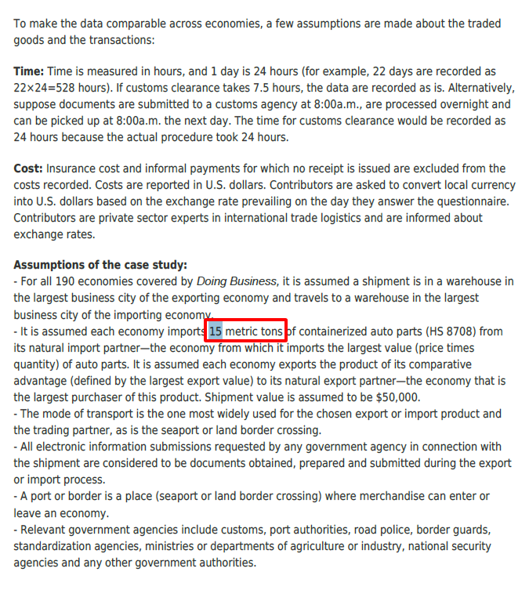
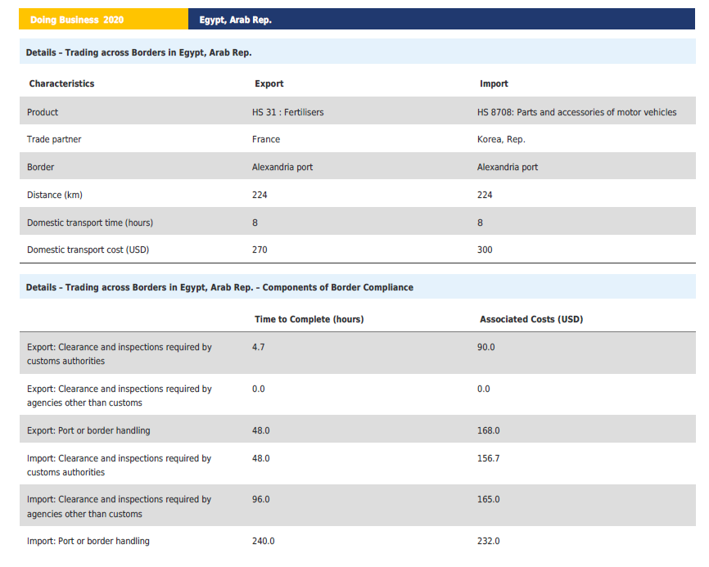
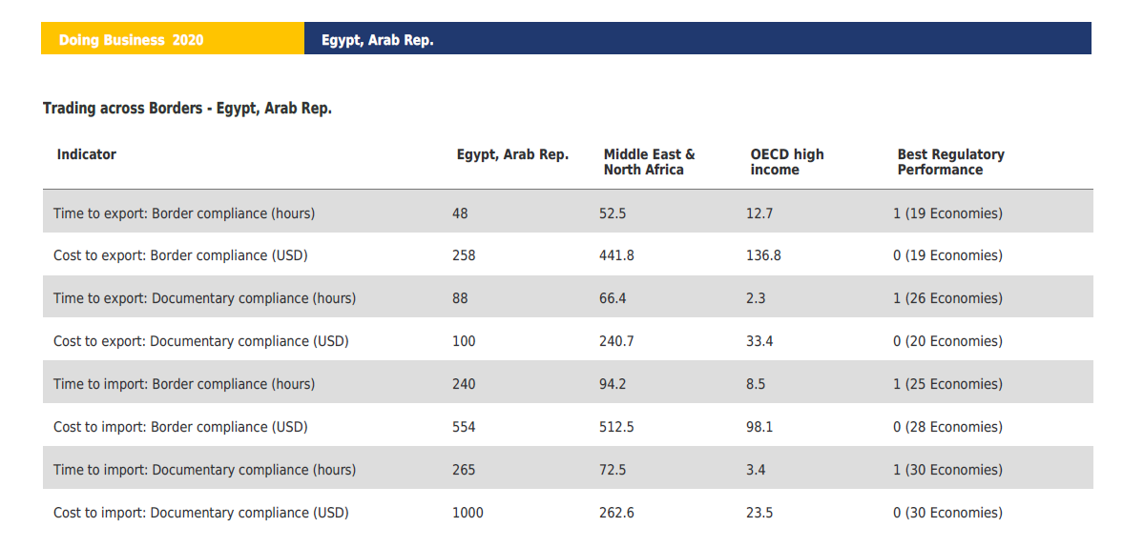
Doing Business in Egypt, Arab Rep. - World Bank Group

IP
Domestic Brokerage & Handling - Import | 554
Domestic Brokerage & Handling - Export | 258

Inland Freight Trucking Expense - Import | 1.34 | 300 | 224
Inland Freight Trucking Expense - Export | 1.21 | 270
Quantity | 15000

Costing flow
LƯU ĐỒ TÍNH GIÁ THÀNH

1. Bán thành phẩm
2. Thành phẩm
 |  |  |  |  | FOP
Chi phí nguyên vật liệu
Lệnh
sản xuất

5. Tính đơn giá chi phí
cho từng cost center máy PET
5.1 PB theo thời gian chạy máy
5.2 PB theo số KW điện
5.4 PB theo thời gian chạy máy
5.5 PB theo thời gian chạy máy
5.3 PB theo thời gian nhân công đứng máy
DEP01 - CP khấu hao máy chính
ELE01 - CP điện
LAB01-02 - CP nhân công trực tiếp
LAB03 - CP nhân công gián tiếp
OTH01 - CP sản xuất chung
 |  |  |  |  | OVH COST

1. 1001603000 Khối SX - Xưởng 1
2. 1001604000 Khối SX - Xưởng 2
3. 1001605000 Khối SX - Xưởng 4
4. 1001601500 R&D
5. 1001607000 Kho
6. 1001601200 Khối SX - Kế hoạch
7. 1001601300 Kỹ thuật
8. 1001601400 Kiểm soát chất lượng
1001602000
Xưởng SX PET
Cost center máy ở xưởng PET
1. PB chi phí 627 BP gián tiếp vào xưởng SX PET và HDPE:
(theo sản lượng thành phẩm)
3. PB chi phí 622, 627 xưởng PET vào từng máy PET
(theo sản lượng thành phẩm)

7. tính chi phí cho
từng lệnh sản xuất
8. tính chi phí cho từng
Bán TP, thành phẩm

6. Tính đơn giá chi phí
cho từng cost center máy HD + PP
6.1 PB theo thời gian chạy máy
6.2 PB theo số KW điện
6.4 PB theo thời gian chạy máy
6.5 PB theo thời gian chạy máy
6.3 PB theo thời gian nhân công đứng máy
DEP01 - CP khấu hao máy chính
ELE01 - CP điện
LAB01-02 - CP nhân công trực tiếp
LAB03 - CP nhân công gián tiếp
OTH01 - CP sản xuất chung
1001606000
Xưởng SX HDPE
Cost center máy ở xưởng HD+PP
4. PB chi phí 622, 627 xưởng HDPE vào từng máy HDPE, PP
(theo sản lượng thành phẩm)
2. Kết chuyển CP 622, 627 BP sản xuất PP vào xưởng HDPE
(100%)
1001608000 Xưởng sản xuất PP

1001603000 | Khối SX - Xưởng 1 | Khối gián tiếp
1001604000 | Khối SX - Xưởng 2 | Khối gián tiếp | 1001602000 | Xưởng sản xuất PET
1001605000 | Khối SX - Xưởng 4 | Khối gián tiếp | 1001606000 | Xưởng sản xuất HDPE
1001601500 | Nghiên Cứu & Phát Triển | Khối gián tiếp
1001607000 | Kho | Khối gián tiếp
1001601200 | Khối SX - Kế hoạch | Khối gián tiếp
1001601300 | Kỹ thuật | Khối gián tiếp
1001601400 | Kiểm soát chất lượng | Khối gián tiếp

1001608000 | Xưởng sản xuất PP

